Defect Report - Template
Title | Search bar: Server error displayed when user users the search functionality

Description / Overview | Typing any text on the search bar redirects user to an error page

Reproduction Steps | 1- Open the application page https://demo.opencart.com/
 | 2- Type "example" on the search bar
 | 3- Click the "Search" button

Expected Behavior | A page showing the search results is displayed

Actual Behavior | The Page shows an error page with the text "Internal Server Error!"
 | 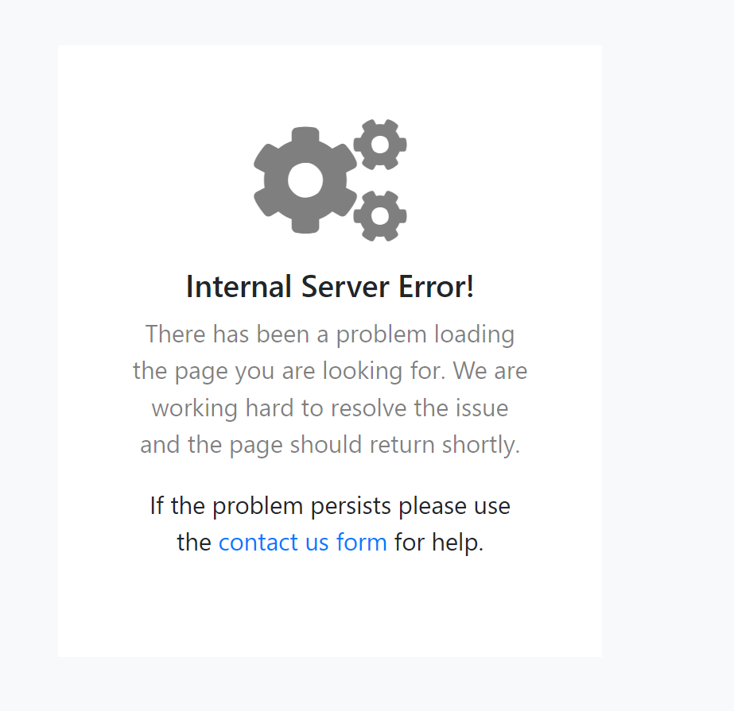
Incidence / Severity / Probability of reproduction | Critical severity - The search functionality does not work
 | 100% reproduction rate

Story and Acceptance Criteria affected | Affected User Story: US-18

Browsers tested | Google Chrome, v107

Environment | QA environment, https://demo.opencart.com/

Notes | - The search request returns a 302 (redirection) code, so the error might be caused by an incorrect configuration setting. - Test Case TC-013 covers this scenario

